listing
1) ENGLISH ITEM NAME (ex : OOOO machine) | 2)中文名称 | 3) MANUFACTUROR (ex : OOO company) | 4) MODEL NO (ex : abc-123) | 5)Serial number | 6)CN hs code | 7)VN hs code | 8)Material | 9) VOLTAGE (ex : 220V) | 10) CAPACITY (ex :1200KW) | 11) Manufacture date (yyyy-mm-dd) | 12) ORIGIN | 13) NEW or USED | 14) PICTURE (BEFORE PACKING) | 15) PICTURE (NAME PLATE or label) | 16)Quantity | 17)cost(RMB 13%VAT) | 18)cost(USD) | 19)Total cost(USD) | 20)CARTON NO. | 21)CTN QTY | 22)G.W(KGS) | 23)N.W(KGS) | 24)Package Size(CM) | 25)Part size(CM) | 26)应用范围 | 27)是否带电源
PCBA board mounted LCD tray fixture | PCBA装LCD托盘治具 | Techsen Electronics(ShenZhen)Co.,Ltd | GX-1 | GX-1F30 | 8466200090 | 84662090 | BAKELITE | / | / | 2025-07-03 | CHINA | NEW | 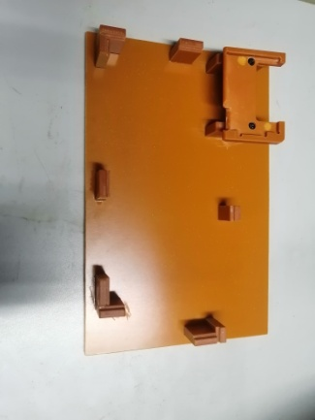 |  | 1 | 45 | 6.0124 | 6.01 | A01 | 1 | 2.37 | 0.47 | 42*19.5*15 | 26X17X5 | Assemly | NO
Lock VR Nut Fixture | 锁VR螺母治具 | Techsen Electronics(ShenZhen)Co.,Ltd | GX-1 | GX-1F31 | 8466200090 | 84662090 | BAKELITE | / | / | 2025-07-03 | CHINA | NEW | 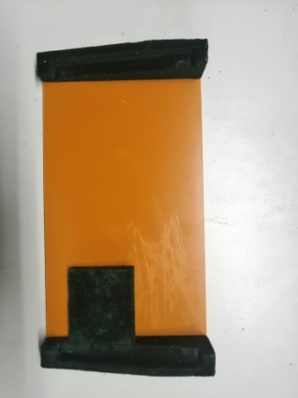 |  | 1 | 40 | 5.3443 | 5.34 |  |  |  | 0.8 |  | 33X17X6 | Assemly | NO
Lock VR Nut Fixture | 装LCD贴棉治具 | Techsen Electronics(ShenZhen)Co.,Ltd | GX-1 | GX-1F32 | 8466200090 | 84662090 | BAKELITE | / | / | 2025-07-03 | CHINA | NEW | 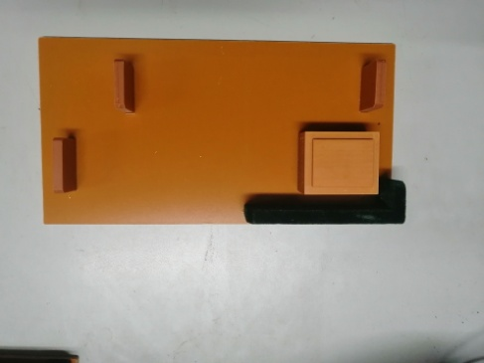 |  | 1 | 42 | 5.6115 | 5.61 |  |  |  | 0.77 |  | 33X17X3.5 | Assemly | NO

